ROADM IT HW
 |  | ROADM Config to be Supported on HW

CMD24-200GHz DA to WSS 9x1 |  |  |  | CMD24-200GHz DA to RLA 5x1

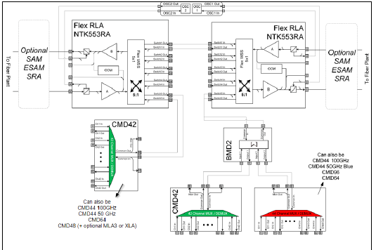
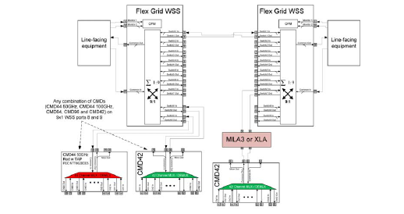

 |  |  | CMD24-200GHz DA to RLA 5x1

 |  | CMD24-200GHz CDC to WSS1x20

 | Note: IT Captive have FIM-1 to add CMD24v2 without BMD.

Not Available IT HW

PINS Configs
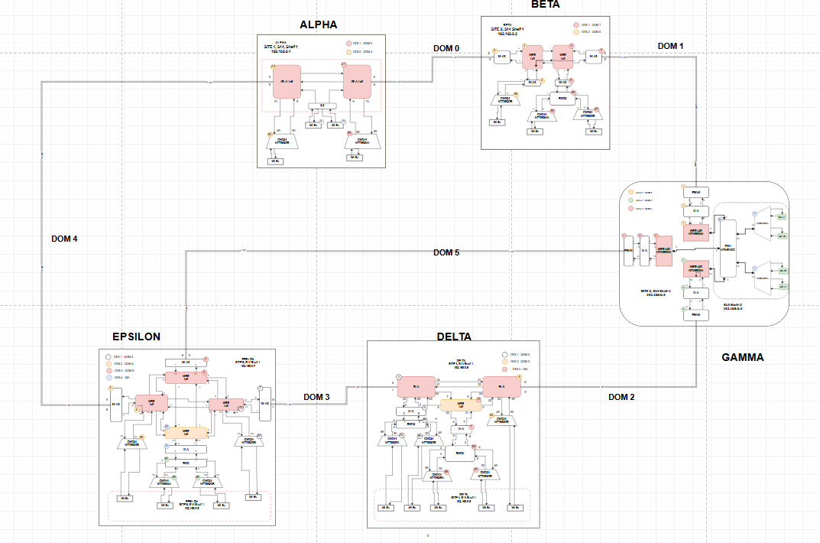
 |  | Thin Terminal Config to be supported on PINS

 |  | Thin Terminal with CMD24-200GHZ, Unprotected
MLA3 config |  |  |  |  | XLA config

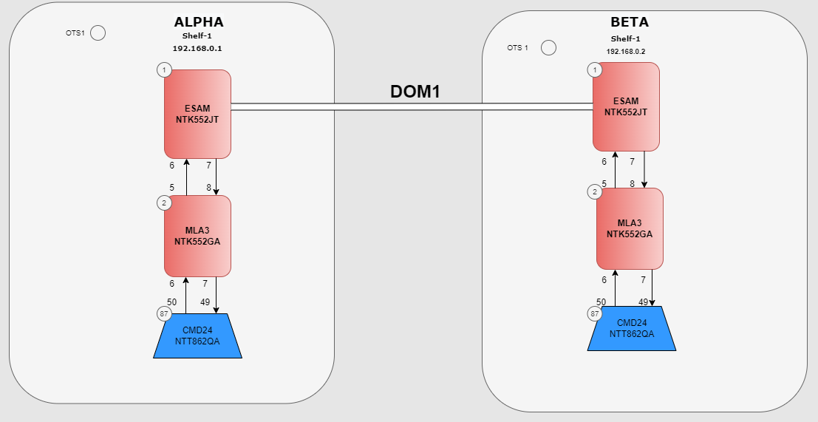
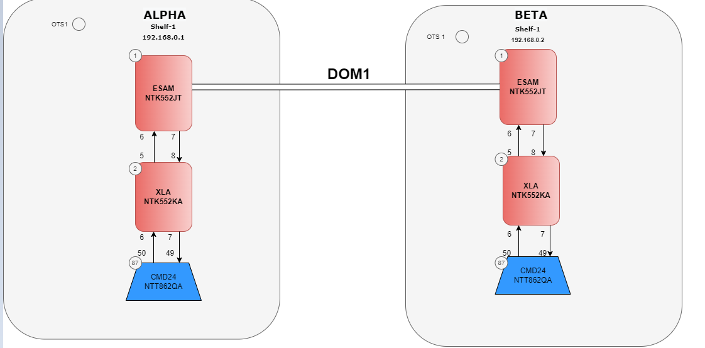

 |  |  | Thin Terminal with CMD24-200GHZ, Trunk Protection

 | MLA3 config |  |  | XLA config

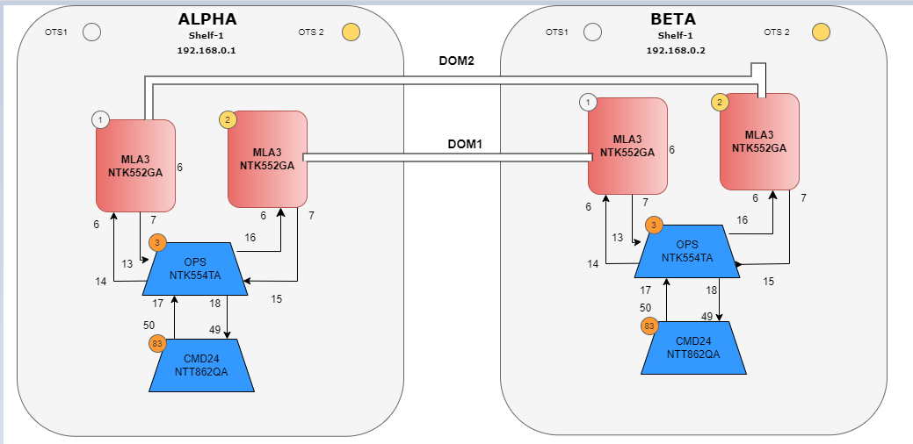
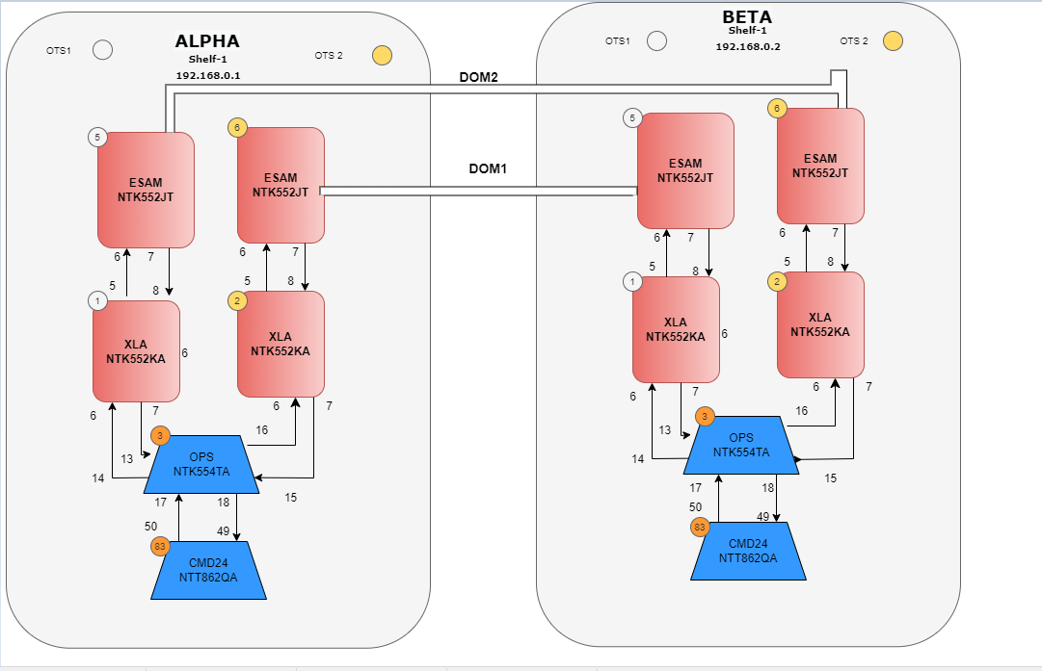

 |  | ROADM Configs Supported on PINS

